Sheet1
 | n_estimators | min_samples_split | min_samples_leaf | max_depth | bootstrap | citration | class weights | threshold
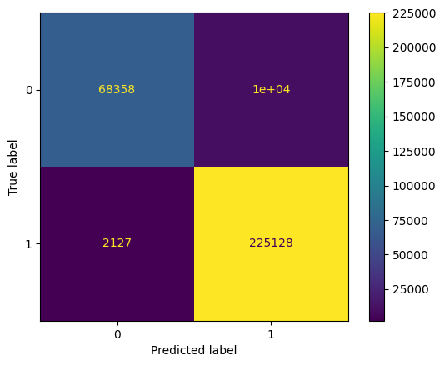 | 100 | 30 | 8 | 40
 | 100 | 20 | 4 | 20
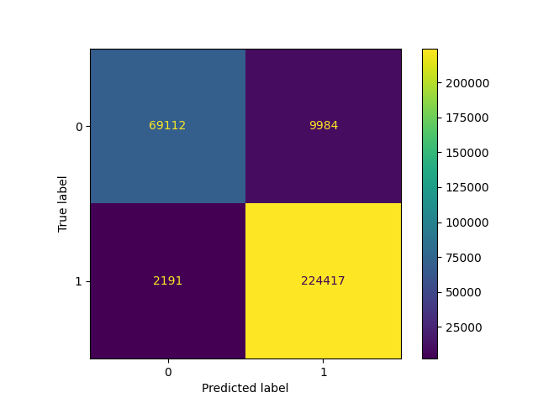 | 200 | 20 | 4 | default= None
 | 100 | 20 | 4 | default= None
 | 100 | 50 | 10 | 100
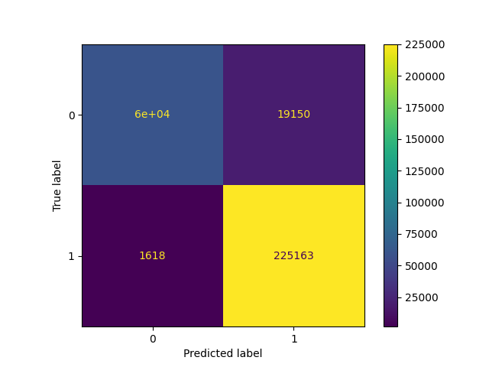 | 500 | DEF | DEF | 4 | TRUE
 |  |  |  | 4 |  | standard scalar
 |  |  |  | 4

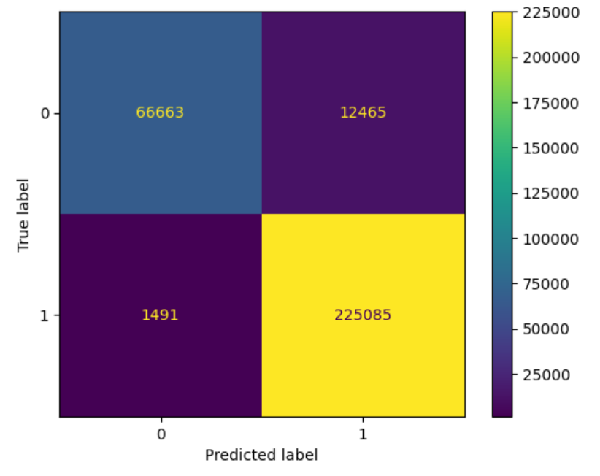 | 200 | DEF | DEF | 10 | DEF | log_loss | None | None
 | 100 | DEF | DEF | 8 | DEF | logloss | 1:5 | None
 | 40 | DEF | DEF | 6 | DEF | logloss | 1:47:00 | None
 | 40 | DEF | DEF | 11 | DEF | logloss | 1:47:00 | None
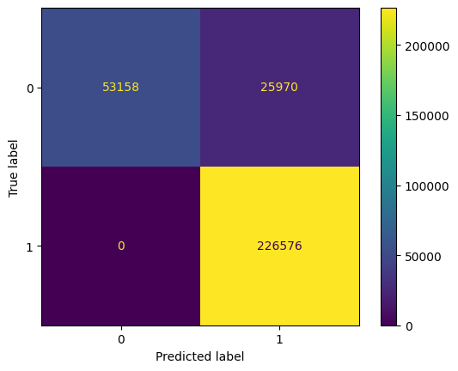 | 40 | DEF | DEF | 6 | DEF | logloss | 1:47:00 | 0.3
 | 40 | DEF | 3 | 6 | DEF | logloss | 1:47:00 | 0.3
 | 30 | 10 | 10 | 40 | DEF | DEF | 1:55:00 | 0.01

